Sheet1
CORNER |  |  | MADISON L

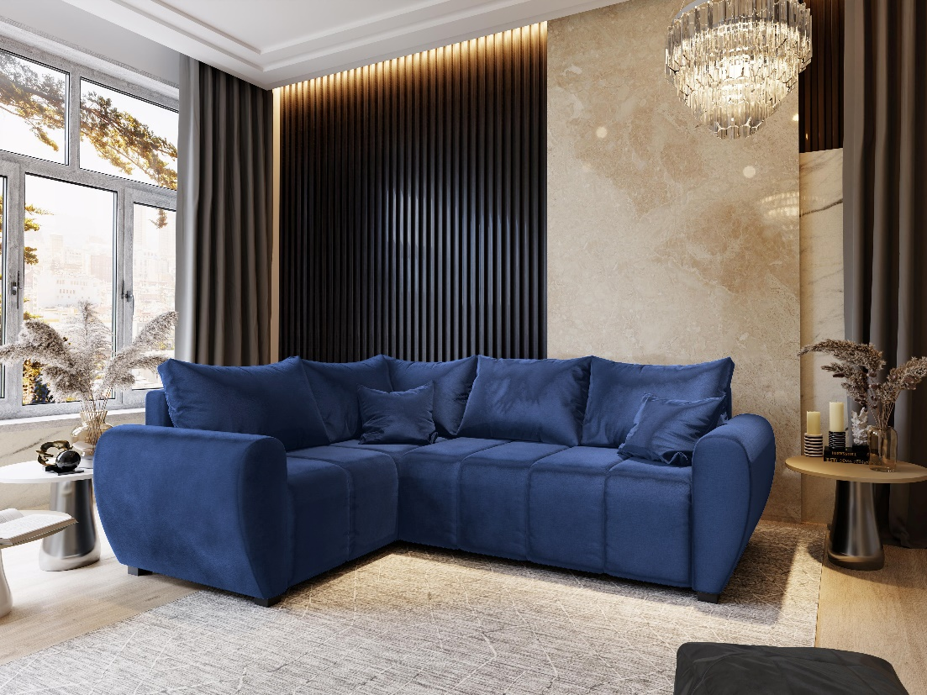
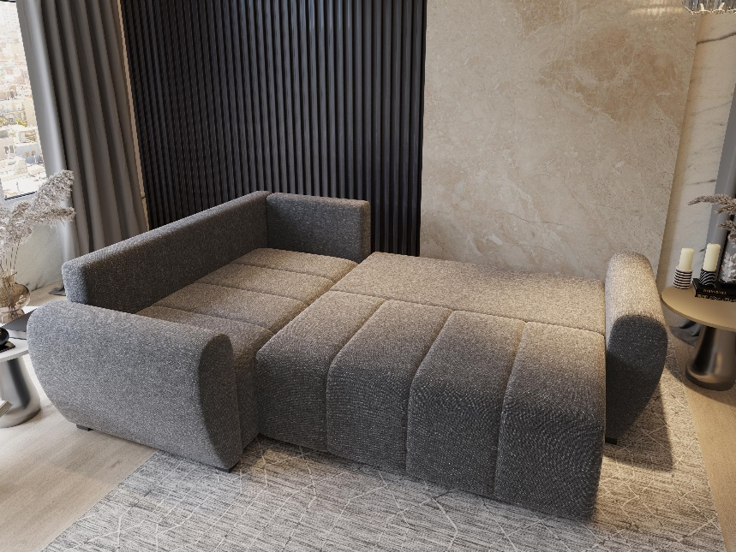

 |  |  |  |  |  |  | SLEEPING AREA |  |  | 135x200 cm
 |  |  |  |  |  |  | BEDDING BOX |  |  | Yes

FURNITURE TYPE
 | Universal corner sofa |  |  |  |  | Sofa |  |  |  | Cart
x | Right / left corner sofa |  |  |  |  | Chaise longue |  |  | X | DL

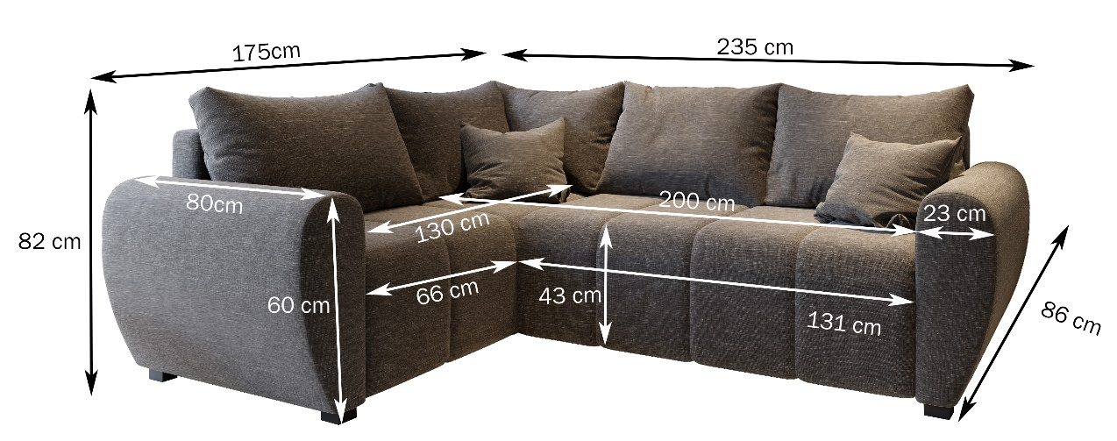
DIMENSIONS
 |  |  |  |  |  |  |  | ADDITIONAL DIMENSIONS
 |  |  |  |  |  |  |  | Seat depth |  |  | 60 cm
 |  |  |  |  |  |  |  | Ottoman seat depth |  |  | 135 cm
 |  |  |  |  |  |  |  | *size may differ from the actual one in tolerance up to 5 cm
 |  |  |  |  |  |  |  | due to the specyficity of upholstery products

MATERIALS USED FOR PRODUCTION
x | Pine wood |  |  |  |  | MDF |  |  | X | White laminate (box)
 | Grey board |  |  |  | x | Grey fibreboard |  |  |  | White fibreboard (box)
x | Plywood

SITTING
X | Wave spring of type A |  |  |  |  | Elastic belt |  |  |  | Wadding 100 g/m2
 | Wave spring of type B |  |  |  | x | Wadding 80 g/m2 |  |  | x | Polyurethane foam T-30
 | Bonnell spring

BACKREST
 | Elastic belt |  |  |  | x | Polyurethane foam T-28 |  |  | X | Back cushions (filling: foam chips)
x | Wadding 80 g/m2 |  |  |  |  | Polyurethane foam T-21

FURNITURE BACK
x | Upholstered |  |  |  |  | Black soffit

LEGS
x | Plastic, H= 2 cm

OTHER CHARACTERISTICS
 | Moving headrest - 5 pcs |  |  |  |  | LED lighting (white) |  |  |  | Decoration: chromium
 | Moving armrest |  |  |  |  | RGB lighting (white, red, blue, green) |  |  |  | Decoration: wood
 | Pillows fastened with Velcro |  |  |  | x | Zipped pillows |  |  |  | Audio system

PACKAGING

 | Description | Width (cm) | Height (cm) | Length (cm) | Volume (m3) | Weight (kg)

PACK 1/3 | SEAT | 130 | 70 | 80 | 0.73 | 45.00
PACK 2/3 | OTM | 130 | 80 | 60 | 0.62 | 40.00
PACK 3/3 | ARM | 90 | 60 | 50 | 0.27 | 25.00
 |  |  |  | TOTAL | 1.62 | 110.00

